C3
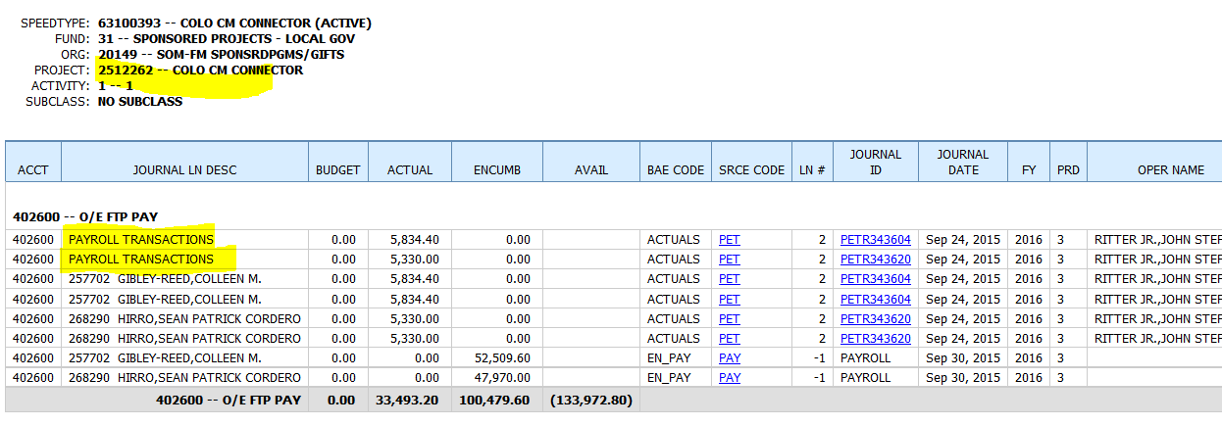

The highlighted "Payroll Transactions" lines are the variance between CIW's Summay table and CIW's payroll detail table.

C7 & 8
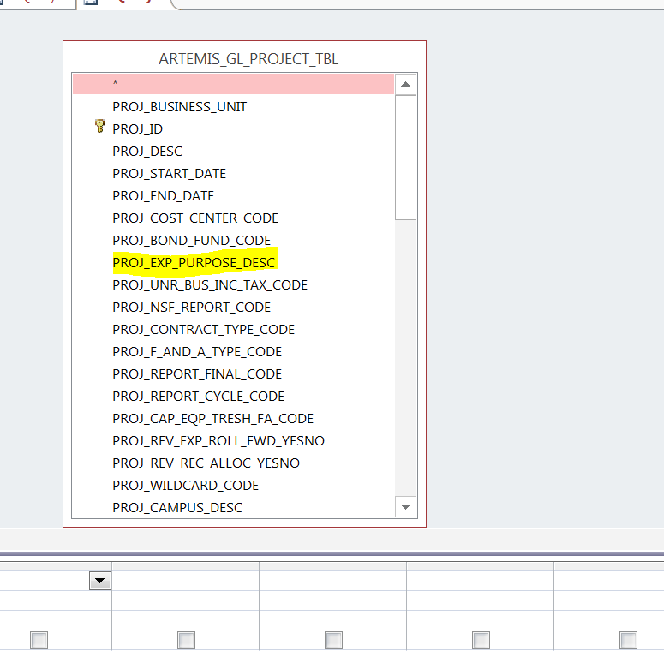

* GL_Project_Tbl only has EPC description field (currently all blank). It should have EPC code field.

C9
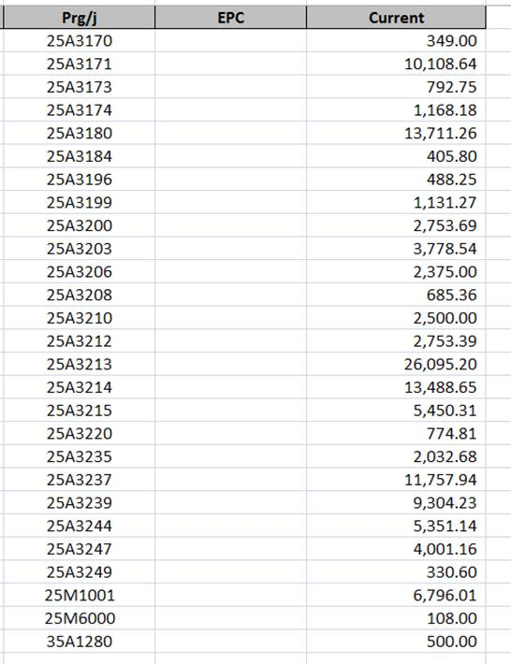

Projects with no EPC coding in GL_Proj_Tbl

Charfield Attributes
In attributes section above, should have hyper link to vierw program attributes. This is not available for Budget Office users

