Calculator - Custom Dates
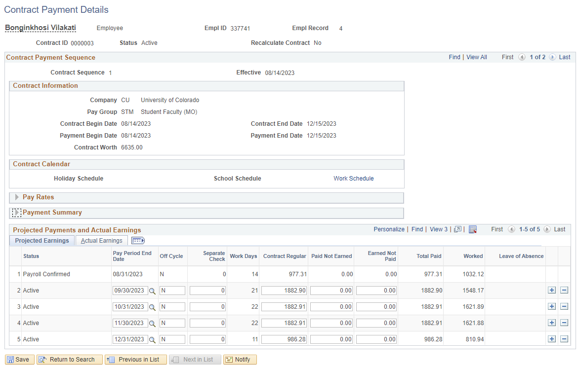
Campus: | Denver |  | Employee Group: | Faculty |  | Calculation of 9-Month Contract Proration
Contract Type: | Fclt 9/12 |  |  |  |  | Contract | Prorated Days: | 15 | of | 22 | Work Days in | August | 2024
Contract Begin Date: | 2024-08-12 | Contract End Date: |  | 2025-05-16 |  | Contract | Full Months: | 4 | of | 8 | Full Months in | Year | 2024
Payment Begin Date: | 2024-08-12 | Payment End Date: |  | 2025-08-08 |  | Contract | Full Months: | 4 | of | 8 | Full Months in | Year | 2025
 |  |  |  |  |  | Contract | Prorated Days: | 12 | of | 22 | Work Days in | May | 2025
Contract Worth: | $207,135.00 |  | Tax Year: | 2026
 |  |  |  |  |  | 9-Month Adjusted Total Length: |  |  |  |  | 9.2273
Deferred Comp Amt: | $24,064.78 | Maximum Deferred: |  | $24,500 |  | 9-Month Adjusted Monthly Amount: |  |  |  |  | $22,448.13
Contract 9x12 Option: | Available |  | Max Contract Worth Allowed: | $210,881.16
 |  |  |  |  |  | Contract | Prorated First Month Pay: |  | 15 | Work Days: |  | $15,305.54
 |  |  |  |  |  | Contract | Full Months Pay: |  | 8 | Full Months: |  | $22,448.13
For Display Purposes Only |  |  |  |  |  | Contract | Prorated Last Month Pay: |  | 12 | Work Days: |  | $12,244.43
Month Number | Month | Days | CRG | ENP | Check Total
 |  |  |  |  |  | Calculation of 12-Month Contract Proration
Month One: | August | 15 | 15,305.54 | -3,504.58 | 11,800.96 | Payment | Prorated Days: | 15 | of | 22 | Work Days in | August | 2024
Month Two: | September | 21 | 22,448.13 | -5,140.05 | 17,308.08 | Payment | Full Months: | 4 | of | 11 | Full Months in | Year | 2024
Month Three: | October | 23 | 22,448.13 | -5,140.05 | 17,308.08 | Payment | Full Months: | 7 | of | 11 | Full Months in | Year | 2025
Month Four: | November | 21 | 22,448.13 | -5,140.05 | 17,308.08 | Payment | Prorated Days: | 6 | of | 21 | Work Days in | August | 2025
Month Five: | December | 22 | 22,448.13 | -5,140.05 | 17,308.08
Month Six: | January | 23 | 22,448.13 | -5,140.05 | 17,308.08 | 12-Month Adjusted Total Length: |  |  |  |  | 11.9675
Month Seven: | February | 20 | 22,448.13 | -5,140.05 | 17,308.08 | 12-Month Adjusted Monthly Amount: |  |  |  |  | $17,308.08
Month Eight: | March | 21 | 22,448.13 | -5,140.05 | 17,308.08
Month Nine: | April | 22 | 22,448.13 | -5,140.05 | 17,308.08 | Payment | Prorated First Month Pay: |  | 15 | Work Days: |  | $11,800.96
Month Ten: | May | 12 Paid | 12,244.43 | 5,063.65 | 17,308.08 | Payment | Full Months Pay: |  | 11 | Full Months: |  | $17,308.08
Month Eleven: | June |  | 0.00 | 17,308.08 | 17,308.08 | Payment | Prorated Last Month Pay: |  | 6 | Work Days: |  | $4,945.17
Month Twelve: | July |  | 0.00 | 17,308.08 | 17,308.08
Month Thirteen: | August | 6 | 0.00 | 4,945.17 | 4,945.17
 |  |  | 207,135.00 | 44,624.97 | 207,135.00

